How to Use
Pull Measures using DAX Studio | Using The Script |  |  | Formatting everything

Open Dax Studio | Add Measures to Script Generator Tab |  |  | Open Bravo
 | You can copy and paste this from VertiPaq

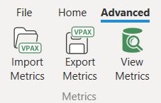
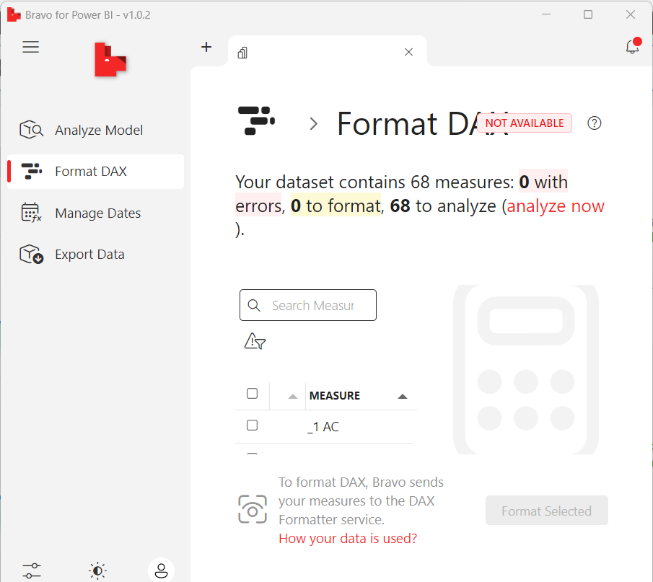
 |  |  |  | Select "Format DAX"
Select "Export Metrics"
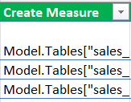
 | Use The first Green column to add new measures

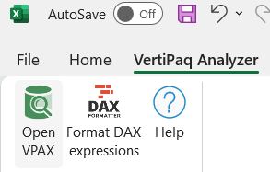
Open in Vertipaq Analyzer
 | Use The other Green columns to modify attributes
 |  |  |  | Select All Measures

 |  |  |  | Select "Format Selected"

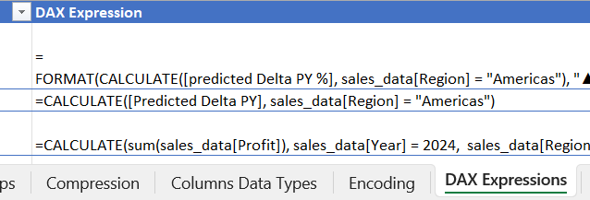
 | Open Tabular editor and Select "C# scripting"
Navigate to "Dax Expressions" Sheet
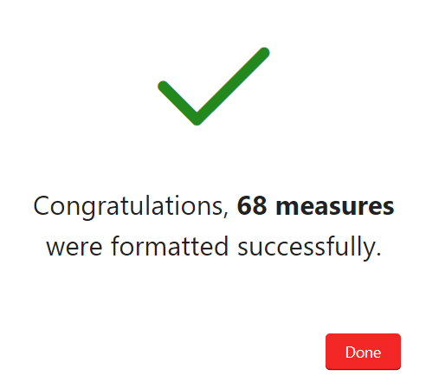

 | Copy the relevant Scripts and run them
If VertiPaq is not allowed in your org: | You can copy all 4 columns if you're creating new measures |  | CTRL C
 | You can copy only the last 3 if you have the measure made

Open Dax Studio

 |  | CTRL V
 | Hit the Green Arrow to run the scripts

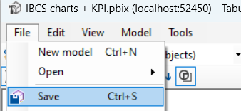
Select "DMV"
 | Hit CTRL+S or Save from Tabular Editor to add the measures to PBIX
Find "TMSchema_Measures"

Drag this into the field

Press f5 to run the query
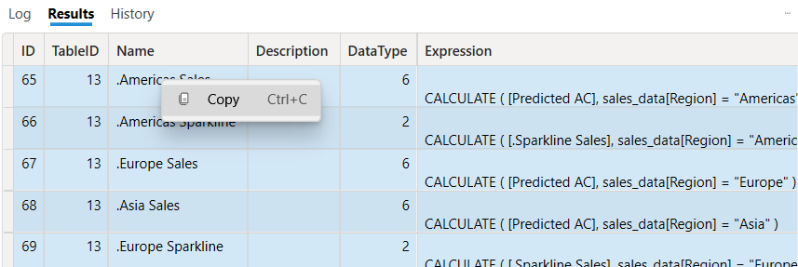
Select all Cells in the Results Pane
(Ctrl +A)

Copy and paste to an excel

